<Registration Form>
<Registration Form>

 | 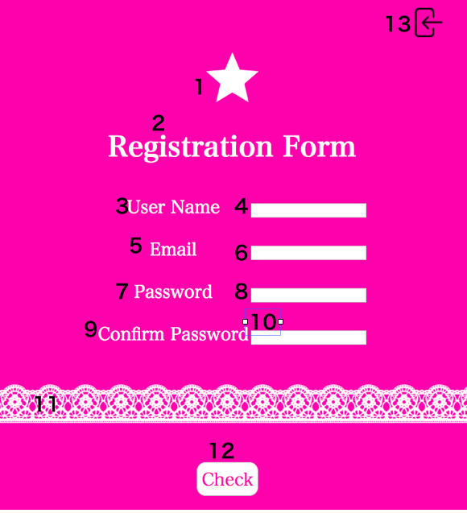 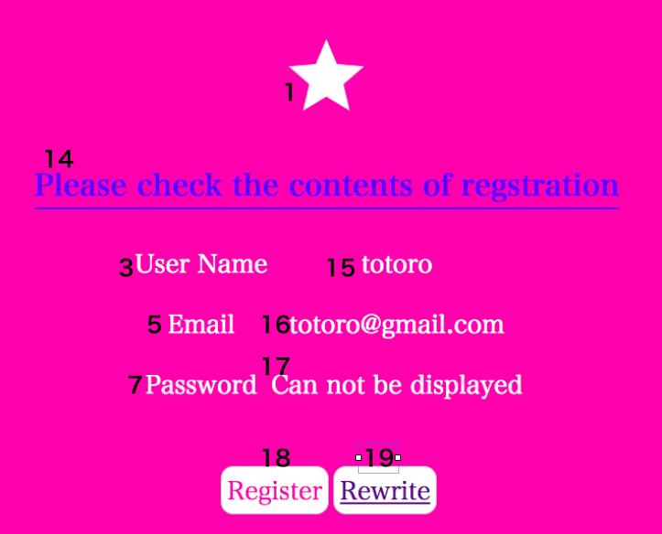 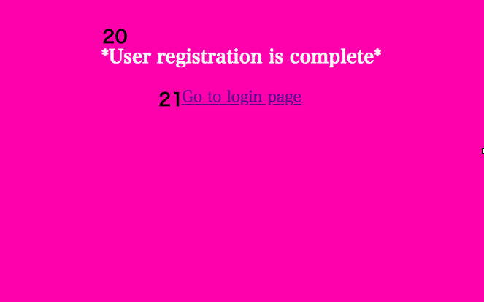 | Screen basic information
 |  | 1 | Screen name | Registration Form
 |  | 2 | Screen ID | A-01
 |  | 3 | Target user | User
 |  | 4 | Created by | Kana Matsuoka
 |  | 5 | Summray | Registration Form

 |  | Identification ID | Label | Type | Description | Additional Information | Required
 |  | 1 | Decoration | image | Decoration
 |  | 2 | Register Form | text | Name of this page
 |  | 3 | User Name | text | Label
 |  | 4 | User Name | input | To put user name | ・User Name must be unique. ・between 2 and 15 letters with half size alphabet. ・If name is not half size alphabet, Error:Please type using half size alphabet. ・If blank, Browser Error Message will be displayed. ・If below 2 letters: Error:Please set minimum of 2 letters. ・If more than 15 letters: Error:Please set maximum of 15 letters. | Yes
 |  | 5 | Email | text | Label
 |  | 6 | Email | email | To put email address | Unacceptable without "@"and "."Should be unique. Error Message is displayed if email address you are trying to register is already registered email. Error Message: Email Address is already used. Please confirm and try again. If blank, Browser Error Message will be displayed. | Yes
 |  | 7 | Password | text | Label
 |  | 8 | Password | input password | To put password | ・All character is displayed as ●. ・Number of letters is 8 and, to use alphanumeric necessarily. ・If below 8 letters: Error:Please set 8 letters. ・If more than 8 letters: Error:Please set 8 letters. ・If not to use alphanumeric letters: Error:Please type using alphanumeric letters. ・If blank, Browser Error Message will be displayed. | Yes
 |  | 9 | Confirm Password | text | Label
 |  | 10 | Confirm Password | input password | To put password | ・All character is displayed as ●. ・Number of letters is 8 and, to use alphanumeric necessarily. ・If below 8 letters: Error:Please set 8 letters. ・If more than 8 letters: Error:Please set 8 letters. ・If not to use alphanumeric letters: Error:Please type using alphanumeric letters. ・If blank, Browser Error Message will be displayed. | Yes
 |  | 11 | Decoration | image | Label
 |  | 12 | Check | button | To go to Cofirm page
 |  | 13 | Login | image | To go to Login | Go to Login page.
 |  | 14 | Please check the contents of registration | text | Label
 |  | 15 | Content of User Name | text | Content of User Name
 |  | 16 | Content of Email | text | Content of Email
 |  | 17 | Can not be displayed | text | Label | Password is not displayed for private information protection
 |  | 18 | Register | button | To go to Thanks Registration page
 |  | 19 | Rewrite | button | To go to Registration page
 |  | 20 | User registration is complete | text | Message
 |  | 21 | Go to login page | link | To go to Login page

<Login home>
<Login Form>

 | 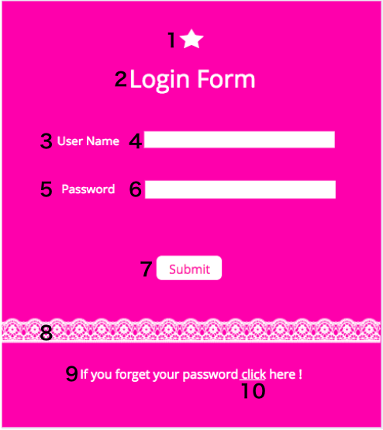 | Screen basic information
 |  | 1 | Screen name | User Login
 |  | 2 | Screen ID | A-02
 |  | 3 | Target user | User
 |  | 4 | Created by | Kana Matsuoka
 |  | 5 | Summray | User can login

 |  | Identification ID | Label | Type | Description | Additional Information | Required
 |  | 1 | Decoration | image | Decoration
 |  | 2 | Login Form | Text | Name of this screen
 |  | 3 | User Name | Text | Label
 |  | 4 | User Name | input | To put name here | ・Between 2 and 15 letters with half size alphabet. ・If name is not half size alphabet, Error:Please type using half size alphabet. ・If blank, Browser Error Message will be displayed. ・If below 2 letters: Error:Please set minimum of 2 letters. ・If more than 15 letters: Error:Please set maximum of 15 letters. | Yes
 |  | 5 | Password | Text | Label
 |  | 6 | Password | input | To put password | ・All character is displayed as ●. ・Number of letters is 8 and, to use alphanumeric necessarily. ・If below 8 letters: Error:Please set 8 letters. ・If more than 8 letters: Error:Please set 8 letters. ・If not to use alphanumeric letters: Error:Please type using alphanumeric letters. ・If blank, Browser Error Message will be displayed. | Yes
 |  | 7 | Submit | Button | To go user home | ・Go to user home page if user name and password are correct. ・If user name and password do not match, error message will be displayed. Error:User Name and Password did not match. Please try again.
 |  | 8 | Decoration | image | Decoration
 |  | 9 | If you forget your password here | text | Label for "if you forget your password"
 |  | 10 | click | Link | To go to forgot password page

<Word list>
<World list>

 | 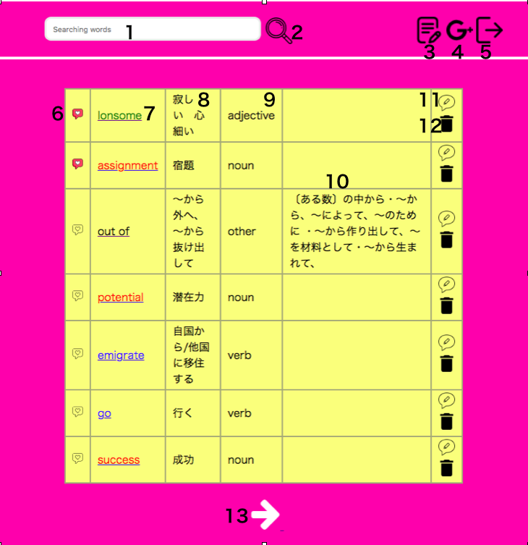 | Screen basic information
 |  | 1 | Screen name | User Home
 |  | 2 | Screen ID | A-03
 |  | 3 | Target user | User
 |  | 4 | Created by | Kana Matsuoka
 |  | 5 | Summray | Can see Vocabulary

 |  | Identification ID | Label | Type | Description | Additional Information | Required
 |  | 1 | Search Box | text | Can search words you want to know
 |  | 2 | Search Button | image | After click image, you can see result
 |  | 3 | Add new vacabulary | image | After click image, can show add new vacabulary page
 |  | 4 | Google translation page | image | After click image, can go google translation page
 |  | 5 | Logout | image | Logout
 |  | 6 | Check | image | Can know words you can already memorize
 |  | 7 | English words | text | Registered words are listed | Colors is different by types of category. Noun is pink. Verb is blue. Adjective is green. Adverb is yellow. Phrase is purple.Other is black.
 |  | 8 | Translation | text | Registered translations are listed
 |  | 9 | Category | text | Registered category are listed
 |  | 10 | Memo | text | Registered memos are listed
 |  | 11 | Edit Button | image | After put image, can go edit page | A confirmation comment will display, before word is edited
 |  | 12 | Delete Button | image | After put image, word is deleted | A confirmation comment will display whether to delete word or not ,before to delete
 |  | 13 | Next page Button | image | Can go to next page

<Add New Vocabulary>
<Add New Vocabulary>

 | 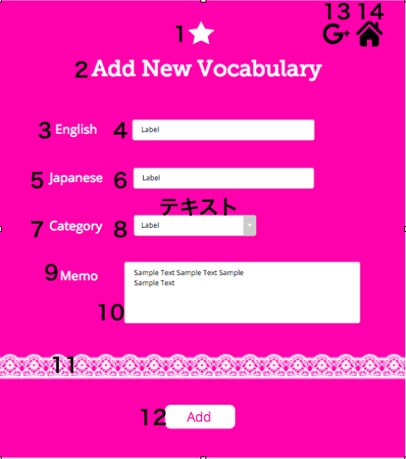 | Screen basic information
 |  | 1 | Screen name | Add New Vocabulary
 |  | 2 | Screen ID | A-04
 |  | 3 | Target user | User
 |  | 4 | Created by | Kana Matsuoka
 |  | 5 | Summray | Add New Vocabulary

 |  | Identification ID | Label | Type | Description | Additional Information | Required
 |  | 1 | Decoration | image | Decoration
 |  | 2 | Add New Vocabulary | text | Title
 |  | 3 | English | text | Label
 |  | 4 | English | input | To put a new vacabulary | ・Acceptable character is only alphabet If input except alphabet error is displayed ・Word which can register per once is one word ・Character limit is 15 If input more than 15 characters, error is displayed ・If form is blank, Error will be displayed | Yes
 |  | 5 | Japanese | text | Label
 |  | 6 | Japanese | input | To put a translation | ・Acceptable characters are alphabet and Japanese ・Word which can register per once is one word ・Character limit is 40 If input more than 40 characters, error is displayed ・If form is blank, Error will be displayed | Yes
 |  | 7 | Category | text | Label
 |  | 8 | Category | select box | To select correct category | If not to select category, Error Message will be displayed Category is classfied into "Noun", "Verb","Adjective", "Adverb","Phrase" and "Other" | Yes
 |  | 9 | Memo | textarea | Label
 |  | 10 | Memo | text | To put memo | No need necesarily ・Character limit is 100 If input more than 100 characters, error is displayed
 |  | 11 | Decoration | image | Decoration
 |  | 12 | Add | button | To go User Home
 |  | 13 | Google translation page | image | After click image, can go google translation page
 |  | 14 | Word list | image | To go to Word list

<Detail information>
<Detail Information>

 | 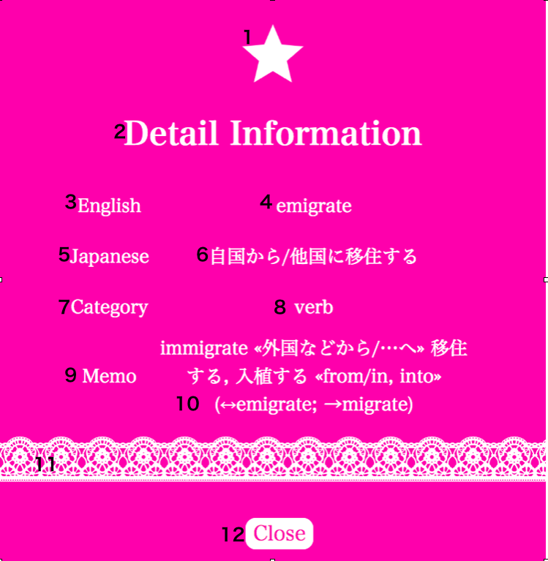 | Screen basic information
 |  | 1 | Screen name | Detail Information
 |  | 2 | Screen ID | A-05
 |  | 3 | Target user | User
 |  | 4 | Created by | Kana Matsuoka
 |  | 5 | Summray | Detail information

 |  | Identification ID | Label | Type | Description | Additional Information | Required
 |  | 1 | Decoration | image | Decoration
 |  | 2 | Detail information | text | Name of this page
 |  | 3 | English | text | Label
 |  | 4 | English | text | Registered words are listed
 |  | 5 | Japanese | text | Label
 |  | 6 | Japanese | text | Registered words are listed
 |  | 7 | Category | text | Label
 |  | 8 | Category | text | Registered category are listed
 |  | 9 | Memo | text | Label
 |  | 10 | Memo | text | Registered memo are listed
 |  | 11 | Decoration | image | Decoration
 |  | 12 | Close | Botton | To go to Word list

<Searching Result>
<Searching Result>

 | 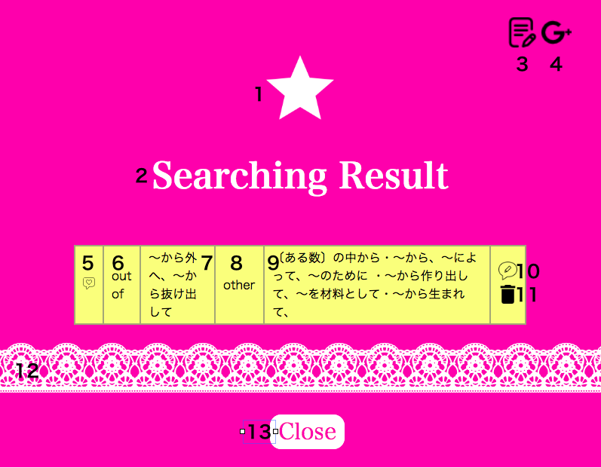 | Screen basic information
 |  | 1 | Screen name | Searching Result
 |  | 2 | Screen ID | A-06
 |  | 3 | Target user | User
 |  | 4 | Created by | Kana Matsuoka
 |  | 5 | Summray | Searching Result

 |  | Identification ID | Label | Type | Description | Additional Information | Required
 |  | 1 | Decoration | image | Decoration
 |  | 2 | Searching Result | text | Label
 |  | 3 | Add new vacabulary | image | After click image, can show add new vacabulary page
 |  | 4 | Google translation page | image | After click image, can go google translation page
 |  | 5 | Check | image | Can know words you can already memorize
 |  | 6 | English words | text | Registered words are listed
 |  | 7 | Translation | text | Registered words are listed
 |  | 8 | Category | text | Registered Categories are listed
 |  | 9 | Memo | text | Registered words are listed
 |  | 10 | Edit Button | image | After click image, you can go edit page
 |  | 11 | Delete Button | image | After click image, you can delete specific word. | A confirmation comment will display whether to delete word or not before to delete
 |  | 12 | Decoration | image | Decoration
 |  | 13 | Close | button | To go to Word list

<Forgot Password>
<Forgot Password>

 | 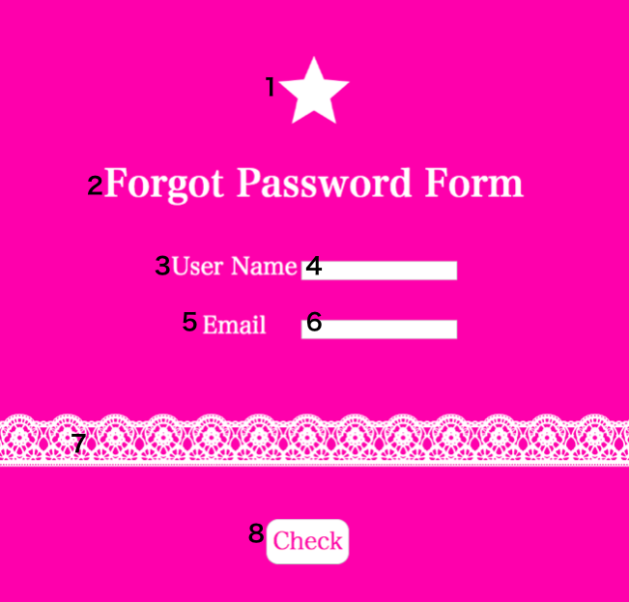 | Screen basic information
 |  | 1 | Screen name | Forgot Password
 |  | 2 | Screen ID | A-07
 |  | 3 | Target user | User
 |  | 4 | Created by | Kana Matsuoka
 |  | 5 | Summray | Forgot Password Page

 |  | Identification ID | Label | Type | Description | Additional Information | Required
 |  | 1 | Decoration | image | Decoration
 |  | 2 | Forgot Password | text | Name of this page
 |  | 3 | User Name | text | Label
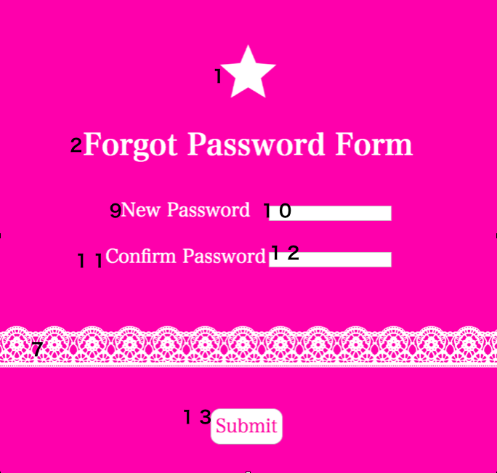
 |  | 4 | User Name | input | To confirm the user name | ・between 2 and 15 letters with half size alphabet. ・If name is not half size alphabet, Error:Please type using half size alphabet. ・If blank, Browser Error Message will be displayed. ・If below 2 letters: Error:Please set minimum of 2 letters. ・If more than 15 letters: Error:Please set maximum of 15 letters. ・To be checked user name is matched or not If user name is wrong: Error:Please make sure user name | Yes
 |  | 5 | Email | text | Label
 |  | 6 | Email | input email address | To confirm the user email address | Unacceptable without "@"and "."Should be unique. Error Message is displayed if email address you are trying ro register is already registered email. Error Message: Email Address is already used. Please confirm and try again. If blank, Browser Error Message will be displayed. ・To be checked email is matched or not If email is wrong: Error:Please make sure email | Yes
 |  | 7 | Decoration | image | Decoration
 |  | 8 | Check | Button | To go to page to set new password
 |  | 9 | New Password | text | Direction
 |  | 10 | Password | Password | To re-register password | ・All character is displayed as ●. ・Number of letters is 8 and, to use alphanumeric necessarily. ・If below 8 letters: Error:Please set 8 letters. ・If more than 8 letters: Error:Please set 8 letters. ・If not to use alphanumeric letters: Error:Please type using alphanumeric letters. ・If blank, Browser Error Message will be displayed. | Yes
 |  | 11 | Confirm Password | text | Label
 |  | 12 | Confirm Password | Password | To re-register password for security | ・All character is displayed as ●. ・Number of letters is 8 and, to use alphanumeric necessarily. ・If below 8 letters: Error:Please set 8 letters. ・If more than 8 letters: Error:Please set 8 letters. ・If not to use alphanumeric letters: Error:Please type using alphanumeric letters. ・If blank, Browser Error Message will be displayed. ・To be password is matched or not If password is wrong: Error:Please make sure password | Yes
 |  | 13 | Submit | Button | To update, to go to login page | To go to login page f information will be accepted. Error Message: User information is not based on rules. Please confirm and input again.

<Edit>
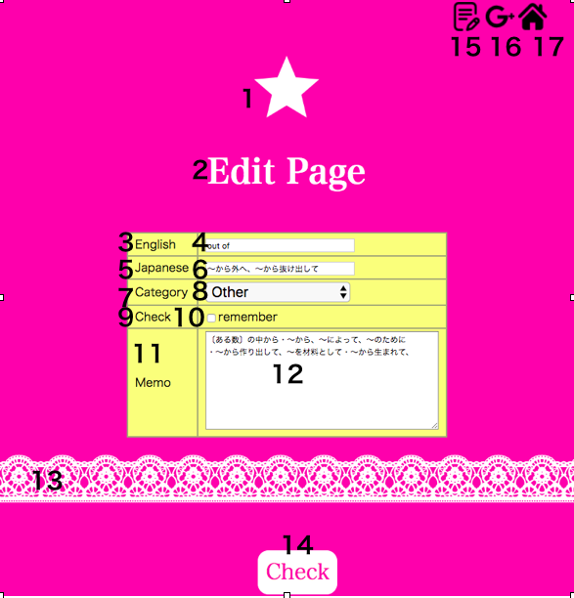 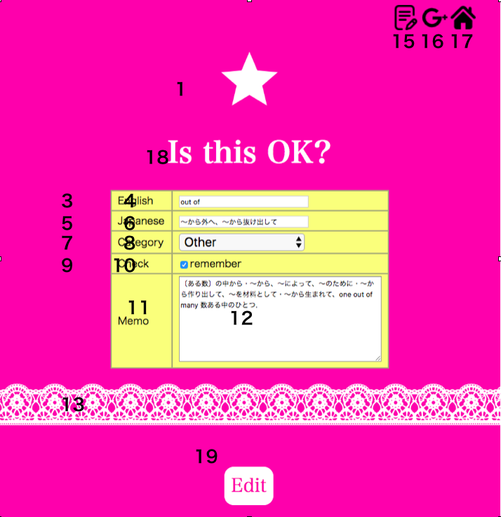 | Screen basic information
 | 1 | Screen name | Edit page
 | 2 | Screen ID | A-08
 | 3 | Target user | User
 | 4 | Created by | Kana Matsuoka
 | 5 | Summray | Edit page

 | Identification ID | Label | Type | Description | Additional Information | Required
 | 1 | Decoration | image | Decoration
 | 2 | Edit Page | text | Name of this page
 | 3 | English | text | Label
 | 4 | English | input | 1.Confirm content 2.Edit content | ・Acceptable character is only alphabet If input except alphabet error is displayed ・Word which can register per once is one word ・Character limit is 15 If input more than 15 characters, error is displayed ・If form is blank, Error will be displayed | Yes
 | 5 | Japanese | text | Label
 | 6 | Japanese | input | 1.Confirm content 2.Edit content | ・Acceptable characters are alphabet and Japanese ・Word which can register per once is one word ・Character limit is 40 If input more than 40 characters, error is displayed ・If form is blank, Error will be displayed | Yes
 | 7 | Category | text | Label
 | 8 | Category | select box | 1.Confirm content 2.Edit content | If not to select category, Error Message will be displayed Category is classfied into "Noun", "Verb","Adjective", "Adverb","Phrase" and "Other" | Yes
 | 9 | Check | text | Label
 | 10 | Check | check box | 1.Confirm content 2.Edit content
 | 11 | Memo | text | Label
 | 12 | Memo | input | 1.Confirm content 2.Edit content | ・Character limit is 100 If input more than 100 characters, error is displayed
 | 13 | Decoration | image | Decoration
 | 14 | Check | Button | To go to Confirm edit page
 | 15 | Add new vacabulary | image | After click image, can show add new vacabulary page
 | 16 | Google translation page | image | After click image, can go google translation page
 | 17 | Word list | image | To go to Word list
 | 18 | Is it OK? | text | Name of this page
 | 19 | Edit | Button | 1.Contents are edited 2.To go to Word list page

<Delete Page>
<Delete Check Page>

 | 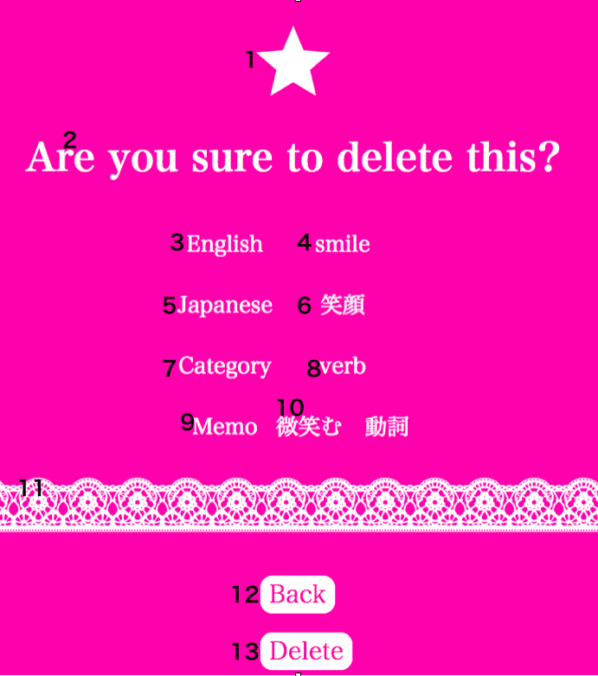 | Screen basic information
 |  | 1 | Screen name | Delete Check Page
 |  | 2 | Screen ID | A-08
 |  | 3 | Target user | User
 |  | 4 | Created by | Kana Matsuoka
 |  | 5 | Summray | Delete Check Page

 |  | Identification ID | Label | Type | Description | Additional Information | Required
 |  | 1 | Decoration | image | Label
 |  | 2 | Are you sure to delete this? | text | Label
 |  | 3 | English | text | Label
 |  | 4 | English | text | Content of English
 |  | 5 | Japanese | text | Label
 |  | 6 | Japanese | text | Content of Japanese
 |  | 7 | Category | text | Label
 |  | 8 | Category | text | Content of Category
 |  | 9 | Memo | text | Label
 |  | 10 | Memo | text | Content of Memo
 |  | 11 | Decoration | image | Label
 |  | 12 | Back | Button | Go to User home
 |  | 13 | Delete | Button | Content is deleted

Login Screen
Admin Login Page | te
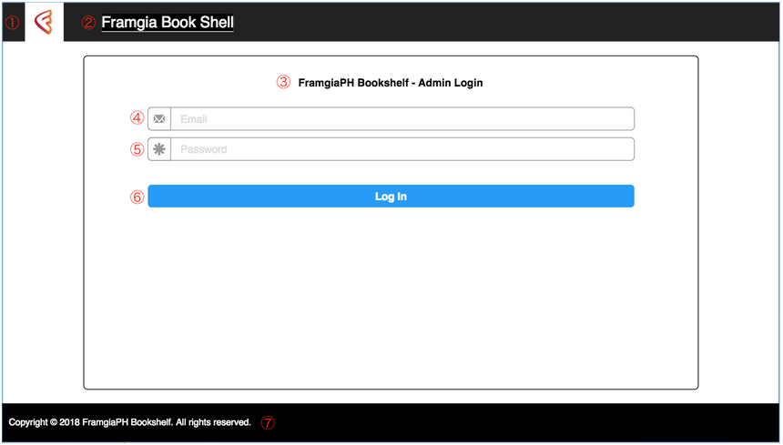
 |  | Screen basic information
 |  | 1 | Screen name | Admin_Login
 |  | 2 | Screen ID | A-01
 |  | 3 | Target user | System Admin
 |  | 4 | Created by | Shun Sugiyama
 |  | 5 | Summray | Admin can login from here

 |  | Identification ID | Label | Type | Description
 |  | 1 | Logo | Image | Compamy logo
 |  | 2 | Framgia Book Shell | Text | This service name
 |  | 3 | FramgiaPH Bookshelf - Admin Login | Text | Tile of this screen
 |  | 4 |  | Email | To login, admin need to input email. Placeholder : Email Should have Email validation
 |  | 5 |  | Password | To login, admin need to input password. Placeholder : Password
 |  | 6 | Log In | Button | If email and password is match, admin can login upon click here. If they doesn't match show error message to give information to user
 |  | 7 | Copyright © 2018 FramgiaPH Bookshelf. All rights reserved. | Text | Footer for admin

